main page
Main page-Closed economy | See results with current data |  |  | Shocks |  |  |  |  |  |  |  | Stabilization Policy

 |  |  |  | Deterministic but unexpected shocks |  |  |  |  |  |  |  | Monetary

In period 10 there is a change in inflation target
 | 2
 |  |  |  | Supply shock in t=5 |  |  | Demand shock in t=5 |  |  |  |  | Inflation target
 |  |  |  | Size | 1.00 | % | Size |  |  | % |  | Initial inflation target |  |  | 2.00 | %
 |  |  |  | Permanence | 3 |  | Permanence |  | 2
 |  |  |  | Inflationary shock in t=5 |  |  | Change of commercial banks' risk premium in t=5 |  |  |  |  | Type the new target |  |  |  | %
 |  |  |  | Size |  | % | Size of risk premium |  |  | % |  | Central bank's preferences

 |  |  |  |  |  |  |  |  |  |  |  | Preference for inflation stabilization vs income stabilization |  |  | 1
 |  |  |  | Random shocks every three periods
 | Save results with current data to compare different scenarios
 |  |  |  | Shock occurence |  |  |  | Size |  | %

 |  |  |  |  |  |  |  |  |  |  |  | Public expenditure |  |  |  |  | -1
 |  |  |  |  |  |  |  |  |  |  |  |  |  |  |  |  | 0
 |  |  |  |  |  |  |  |  |  |  |  | Size of the increase (+)/decrease (-) in public expenditure |  |  |  | %
 |  |  |  | Parameters
 |  |  |  | Stabilizing real interest rate |  |  |  |  | 4 | % |  | Period when the fiscal change is implemented |  |  | 5
 | Reset to a no-shocks, no-policy, baseline parameter values scenario |  |  | Sensitivity of inflation wrt output gap |  |  |  |  | 1
 |  |  |  |  |  |  |  |  |  |  |  | Permanence |  |  | temporary | 2
 |  |  |  | Sensitivity of expenditure wrt interest rate |  |  |  |  | 2

 |  |  |  | Degree of inflation inertia/credibility of central bank |  |  |  |  | 1 |  | Public finance

 | Apply your own monetary policy |  |  |  |  |  |  |  | 1 |  |  | Tax rate (initial tax revenues/GDP) |  |  | 20.00 | %
 |  |  |  |  |  |  |  |  |  |  |  | Initial public expenditures/GDP |  |  | 20.00 | %
 |  |  |  | Long run growth |  |  |  |  |  |  |  | Initial public debt/GDP |  |  | 0.00 | %
 | 1 | 1 |  | Long-run economic growth
 |  |  |  | Growth rate |  |  |  |  |  | % |  |  | 0

 |  |  | Hysteresis
 | 1
 |  |  |  | Show the effect of a change in inflation target or a demand shock when there is hysteresis

 |  |  |  |  |  |  |  |  |  |  |  |  | 2
 |  |  |  |  |  |  |  |  |  |  |  |  | 0 | 0
 |  |  |  |  |  |  |  |  |  |  |  |  | 0 | 2

 |  |  |  | 2

 |  |  |  | 4
 |  |  |  |  | 1

exchange rates
Real exchange rate
1 | 1.00
2 | 1.00
3 | 1.00
4 | 1.00
5 | 1.06
6 | 1.06
7 | 1.05
8 | 1.05
9 | 1.05
10 | 1.05
11 | 1.05
12 | 1.05
13 | 1.05
14 | 1.05
15 | 1.05
16 | 1.05
17 | 1.05
18 | 1.05
19 | 1.05
20 | 1.05
Nominal exchange rate
1 | 1.000
2 | 1.020
3 | 1.040
4 | 1.061
5 | 1.140
6 | 1.150
7 | 1.167
8 | 1.187
9 | 1.209
10 | 1.232
11 | 1.256
12 | 1.281
13 | 1.307
14 | 1.333
15 | 1.359
16 | 1.386
17 | 1.414
18 | 1.442
19 | 1.471
20 | 1.501

Your input data in "main page"
Main page-Closed economy

Trade balance/GDP
 | trade balance/GDP
1 | 0.0%
2 | 0.0%
3 | 0.0%
4 | 0.0%
5 | 0.0%
6 | 0.0%
7 | 0.0%
8 | 0.0%
9 | 0.0%
10 | 0.0%
11 | 0.0%
12 | 0.0%
13 | 0.0%
14 | 0.0%
15 | 0.0%
16 | 0.0%
17 | 0.0%
18 | 0.0%
19 | 0.0%
Current account/GDP
 | current account/GDP
1 | 0.0%
2 | 0.0%
3 | 0.0%
4 | 0.0%
5 | 0.0%
6 | 0.0%
7 | 0.0%
8 | 0.0%
9 | 0.0%
10 | 0.0%
11 | 0.0%
12 | 0.0%
13 | 0.0%
14 | 0.0%
15 | 0.0%
16 | 0.0%
17 | 0.0%
18 | 0.0%
19 | 0.0%
Supply shock in t=5 | yes
Demand shock in t=5 | no
Random supply shocks everytime | no
Random demand shocks everytime | no
Change in inflation target in t=10 | no
Stabilization fiscal measure | no

 | NIIP/GDP
1 | 0.0%
2 | 0.0%
3 | 0.0%
4 | 0.0%
5 | 0.0%
6 | 0.0%
7 | 0.0%
8 | 0.0%
9 | 0.0%
10 | 0.0%
11 | 0.0%
12 | 0.0%
13 | 0.0%
14 | 0.0%
15 | 0.0%
16 | 0.0%
17 | 0.0%
18 | 0.0%
19 | 0.0%

gráficos PC, MR, IS
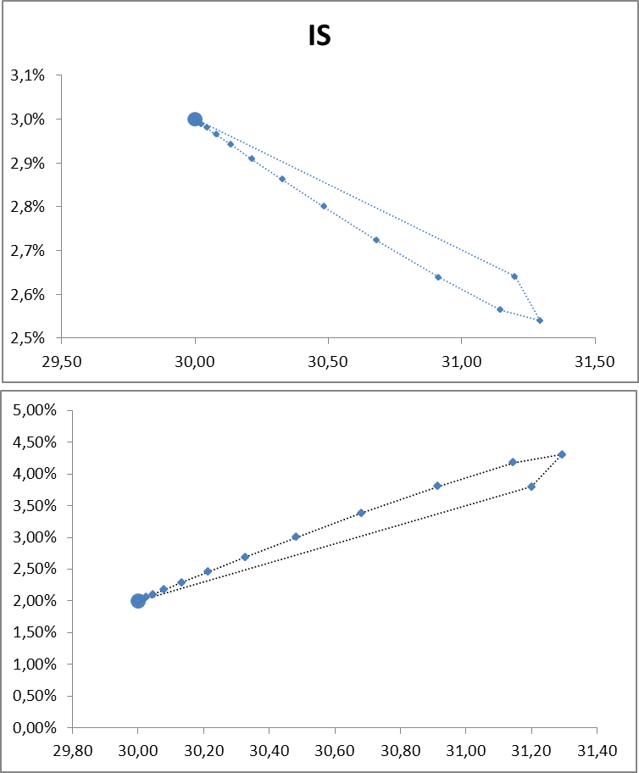
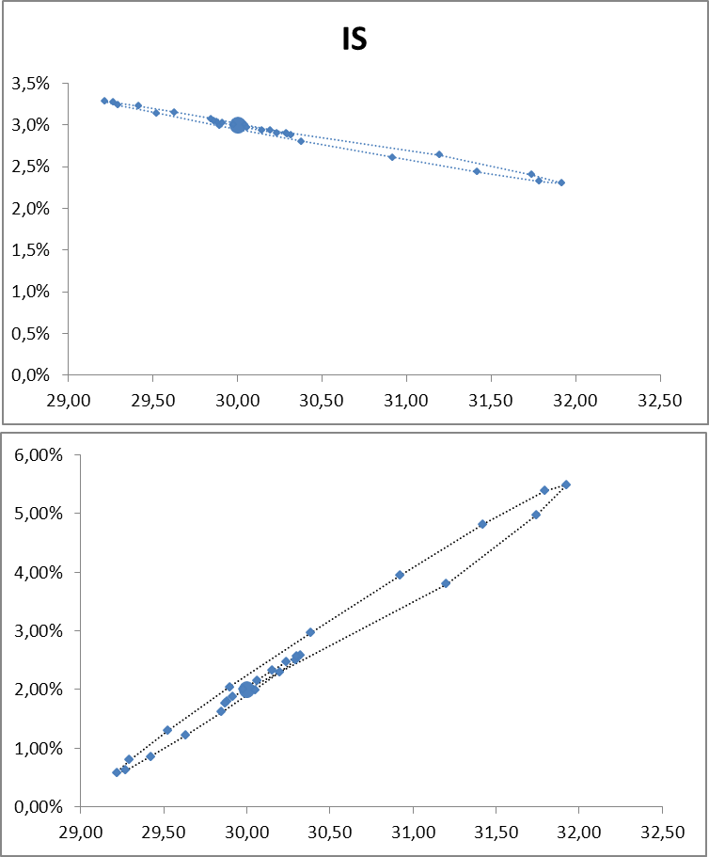
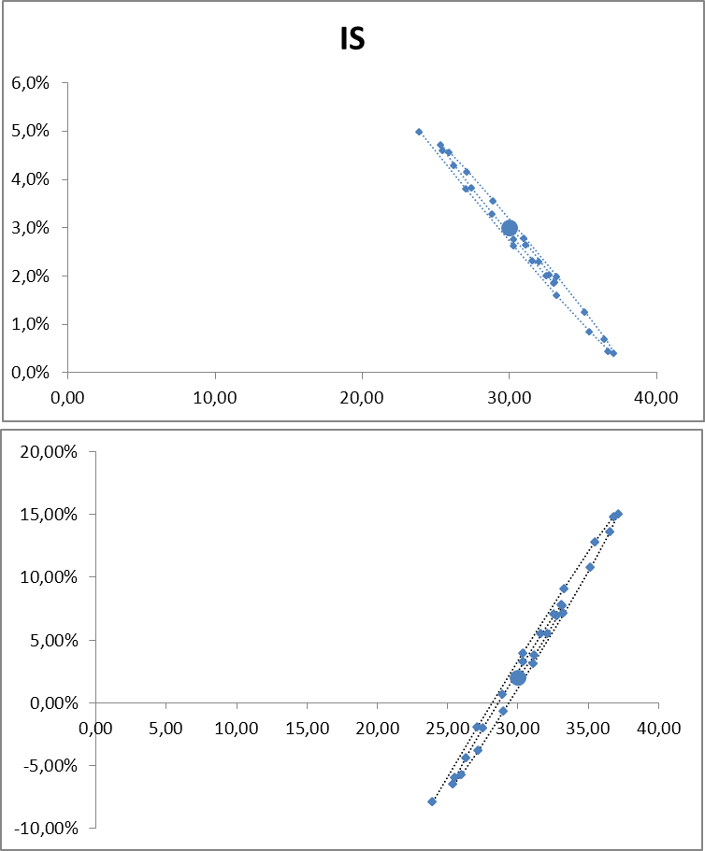

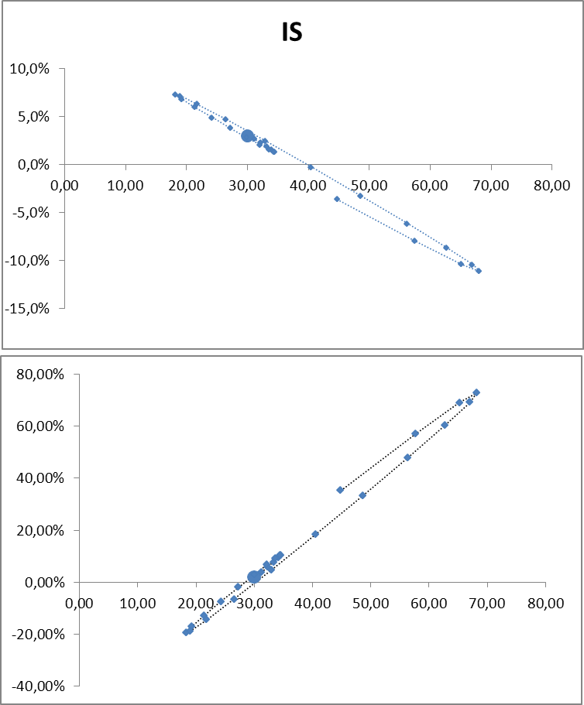
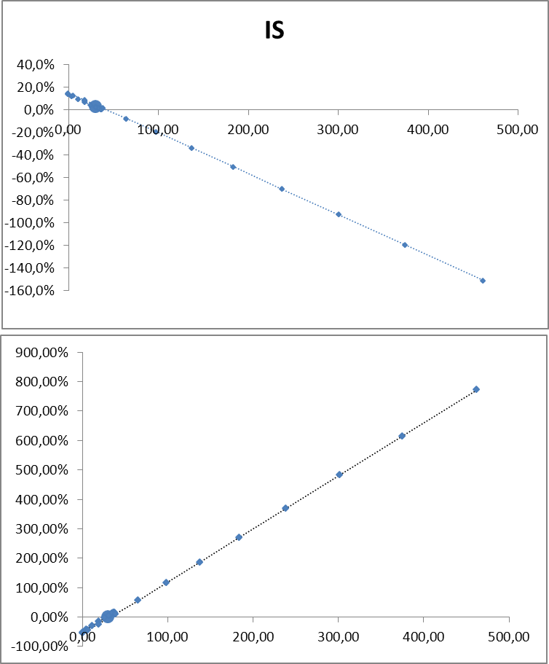

 | IS
100.00 | 4.0%
100.00 | 3.3%
101.50 | 3.4%
101.25 | 3.4%
101.13 | 3.5%
101.06 | 3.5%
101.03 | 3.5%
101.02 | 3.5%
101.01 | 3.5%
101.00 | 3.5%
101.00 | 3.5%
101.00 | 3.5%
101.00 | 3.5%
101.00 | 3.5%
101.00 | 3.5%
101.00 | 3.5%
101.00 | 3.5%
101.00 | 3.5%
101.00 | 3.5%
101.00 | 3.5%
101.00 | 3.5%
101.00 | 3.5%
101.00 | 3.5%
101.00 | 3.5%
101.00 | 3.5%
101.00 | 3.5%
101.00 | 3.5%
101.00 | 3.5%

100.00 | 2.00%
100.00 | 1.00%
101.50 | 1.50%
101.25 | 1.75%
101.13 | 1.88%
101.06 | 1.94%
101.03 | 1.97%
101.02 | 1.98%
101.01 | 1.99%
101.00 | 2.00%
101.00 | 2.00%
101.00 | 2.00%
101.00 | 2.00%
101.00 | 2.00%
101.00 | 2.00%
101.00 | 2.00%
101.00 | 2.00%
101.00 | 2.00%
101.00 | 2.00%
101.00 | 2.00%
101.00 | 2.00%
101.00 | 2.00%
101.00 | 2.00%
101.00 | 2.00%
101.00 | 2.00%
101.00 | 2.00%
101.00 | 2.00%
101.00 | 2.00%

inflation, income and inter-2
GDP
 | Actual GDP | Potential GDP
1 | 100.0 | 100.0
2 | 100.0 | 100.0
3 | 100.0 | 100.0
4 | 100.0 | 100.0
5 | 100.0 | 101.0
6 | 101.5 | 101.0
7 | 101.3 | 101.0
8 | 101.1 | 101.0
9 | 101.1 | 101.0
10 | 101.0 | 101.0
11 | 101.0 | 101.0
12 | 101.0 | 101.0
13 | 101.0 | 101.0
14 | 101.0 | 101.0
15 | 101.0 | 101.0
16 | 101.0 | 101.0
17 | 101.0 | 101.0
18 | 101.0 | 101.0
19 | 101.0 | 101.0
20 | 101.0 | 101.0
Output gap (actual-potential GDP) as % of potential GDP
1 | 0.0%
2 | 0.0%
3 | 0.0%
4 | 0.0%
5 | -1.0%
6 | 0.5%
7 | 0.2%
8 | 0.1%
9 | 0.1%
10 | 0.0%
11 | 0.0%
12 | 0.0%
13 | 0.0%
14 | 0.0%
15 | 0.0%
16 | 0.0%
17 | 0.0%
18 | 0.0%
19 | 0.0%
20 | 0.0%

Your input data in "main page"
Main page-Closed economy

Supply shock in t=5 | yes
Demand shock in t=5 | no
Random shocks every three periods | no
Change in inflation target in t=10 | no
Stabilization fiscal measure | no
Hysteresis | no

 |  | 0

GDP (with hysteresis)
 | Actual GDP | Potential GDP
1 | 100.0 | 100.0
2 | 100.0 | 100.0
3 | 100.0 | 100.0
4 | 100.0 | 100.0
5 | 100.0 | 101.0
6 | 101.5 | 101.0
7 | 101.3 | 101.4
8 | 101.7 | 101.7
9 | 102.0 | 102.1
10 | 102.5 | 102.6
11 | 103.0 | 102.9
12 | 103.2 | 103.3
13 | 103.7 | 103.7
14 | 104.1 | 104.1
15 | 104.5 | 104.5
16 | 104.9 | 104.9
17 | 105.2 | 105.3
18 | 105.7 | 105.7
19 | 106.1 | 106.1
20 |  | 106.5
Output gap (actual-potential GDP) as % of potential GDP (with hysteresis)
1 | 0.00%
2 | 0.00%
3 | 0.00%
4 | 0.00%
5 | 0.00%
6 | 0.00%
7 | 0.00%
8 | 0.00%
9 | 0.00%
10 | 0.00%
11 | 0.00%
12 | 0.00%
13 | 0.00%
14 | 0.00%
15 | 0.00%
16 | 0.00%
17 | 0.00%
18 | 0.00%
19 | 0.00%
20 | 0.00%

 |  |  | FALSE
 |  |  | FALSE

 |  |  |  | 0

inflation, income and interest
Inflation (%)
 |  | HISTÉRESIS | RETRASO PERCEPCIÓN | randomshocks
1 | 2.0
2 | 2.0
3 | 2.0
4 | 2.0
5 | 1.0
6 | 1.5
7 | 1.8
8 | 1.9
9 | 1.9
10 | 2.0
11 | 2.0
12 | 2.0
13 | 2.0
14 | 2.0
15 | 2.0
16 | 2.0
17 | 2.0
18 | 2.0
19 | 2.0
20 | 2.0
Lending interest rates (%)
 | nominal | real | randomshocksnominal | nominal hysteresis | nominal delay perception | real hysteresis | randomshocksreal | real delay perception
1 | 6.0000 | 4.00
2 | 6.0000 | 4.00
3 | 6.0000 | 4.00
4 | 6.0000 | 4.00
5 | 4.2500 | 3.25
6 | 4.8750 | 3.38
7 | 5.1875 | 3.44
8 | 5.3438 | 3.47
9 | 5.4219 | 3.48
10 | 5.4609 | 3.49
11 | 5.4805 | 3.50
12 | 5.4902 | 3.50
13 | 5.4951 | 3.50
14 | 5.4976 | 3.50
15 | 5.4988 | 3.50
16 | 5.4994 | 3.50
17 | 5.4997 | 3.50
18 | 5.4998 | 3.50
19 | 5.4999 | 3.50
20 | 5.5000 | 3.50

Your input data in "main page"
Main page-Closed economy

Supply shock in t=5 |  | yes
Demand shock in t=5 |  | no
Random shocks every three periods |  | no
Change in inflation target in t=10 |  | no
Show potential GDP and output gap
Stabilization fiscal measure |  | no
Hysteresis |  | no

GDP
 |  | randomshocksgdp | randomshocksgdp | HISTÉRESIS | RETRASO PERCEPCIÓN
1 | 100.0 | 0 | 0
2 | 100.0
3 | 100.0
4 | 100.0
5 | 100.0
6 | 101.5
7 | 101.3
8 | 101.1
9 | 101.1
10 | 101.0
11 | 101.0
12 | 101.0
13 | 101.0
14 | 101.0
15 | 101.0
16 | 101.0
17 | 101.0
18 | 101.0
19 | 101.0
20 | 101.0
Economic growth
 |  | randomshocksgrowth | HISTÉRESIS | RETRASO PERCEPCIÓN
1
2 | 0.00%
3 | 0.00%
4 | 0.00%
5 | 0.00%
6 | 1.50%
7 | -0.25%
8 | -0.12%
9 | -0.06%
10 | -0.03%
11 | -0.02%
12 | -0.01%
13 | 0.00%
14 | 0.00%
15 | 0.00%
16 | 0.00%
17 | 0.00%
18 | 0.00%
19 | 0.00%
20 | 0.00%

 |  |  | 0
Show the case when it takes five periods for the central bank to recognize a change in equilibrium income (dashed line)

 |  |  |  | simulator
 |  |  |  | FALSE

 |  |  |  |  | 0
2 | 2.00

figures on public finance
Primary budget/GDP
1 | 0.0%
2 | 0.0%
3 | 0.0%
4 | 0.0%
5 | 0.0%
6 | 0.3%
7 | 0.2%
8 | 0.2%
9 | 0.2%
10 | 0.2%
11 | 0.2%
12 | 0.2%
13 | 0.2%
14 | 0.2%
15 | 0.2%
16 | 0.2%
17 | 0.2%
18 | 0.2%
19 | 0.2%
Total budget/GDP
1 | 0.0%
2 | 0.0%
3 | 0.0%
4 | 0.0%
5 | 0.0%
6 | 0.3%
7 | 0.3%
8 | 0.3%
9 | 0.2%
10 | 0.2%
11 | 0.3%
12 | 0.3%
13 | 0.3%
14 | 0.3%
15 | 0.3%
16 | 0.3%
17 | 0.3%
18 | 0.3%
19 | 0.3%

Your input data in "main page"
Main page-Closed economy

Supply shock in t=5 | yes
Demand shock in t=5 | no
Random shocks every three periods | no
Change in inflation target in t=10 | no
Public Debt/GDP
1 | 0.0%
2 | 0.0%
3 | 0.0%
4 | 0.0%
5 | 0.0%
6 | -0.3%
7 | -0.6%
8 | -0.8%
9 | -1.0%
10 | -1.3%
11 | -1.5%
12 | -1.8%
13 | -2.0%
14 | -2.3%
15 | -2.6%
16 | -2.9%
17 | -3.2%
18 | -3.5%
19 | -3.8%
Stabilization fiscal measure | no
Tax rate (initial tax revenues/GDP) | 20.0%
Initial public expenditures/GDP | 20.0%
Initial public debt/GDP | 0.0%

 |  | 0

numerical results
Hysteresis
Delay in perception
Baseline
Baseline
 |  |  |  |  |  |  |  |  |  |  |  |  |  |  |  |  |  |  |  |  |  |  |  |  |  |  |  |  |  | change inflation target | dsfsd
 | Baseline |  |  |  |  |  |  |  |  |  |  |  |  |  |  |  | Delay in the perception of supply shokcs |  |  |  |  |  |  |  | Hysteresis
Periods | Output gap | GDP | Growth | Inflation | Lending nom. i.r. | Lending real i.r. | Primary budget balance/GDP | Total budget balance/GDP | Public debt/PIB | Public expenditure/GDP | Tax revenues/GDP | Real exchange rate | Nominal exchange rate | Trade balance/GDP | Current account/GDP | NIIP/GDP | Inflation | Output gap according to CB | True out put gap | GDP | Growth | Lending nominal i.r. | Lending real i.r. | Output gap | Inflation | GDP | Growth | Lending nominal i.r. | Lending real i.r.
1 | 0.0% | 100.00 |  | 2.00% | 6.0% | 4.0% | 0.0% | 0.0% | 0.0% | 20.0% | 20.0%
2 | 0.0% | 100.00 | 0% | 2.00% | 6.0% | 4.0% | 0.0% | 0.0% | 0.0% | 20.0% | 20.0%
3 | 0.0% | 100.00 | 0% | 2.00% | 6.0% | 4.0% | 0.0% | 0.0% | 0.0% | 20.0% | 20.0%
4 | 0.0% | 100.00 | 0% | 2.00% | 6.0% | 4.0% | 0.0% | 0.0% | 0.0% | 20.0% | 20.0%
5 | -1.0% | 100.00 | 0% | 1.00% | 4.3% | 3.3% | 0.0% | 0.0% | 0.0% | 20.0% | 20.0%
6 | 0.5% | 101.50 | 1% | 1.50% | 4.9% | 3.4% | 0.3% | 0.3% | -0.3% | 19.7% | 20.0%
7 | 0.2% | 101.25 | 0% | 1.75% | 5.2% | 3.4% | 0.2% | 0.3% | -0.6% | 19.8% | 20.0%
8 | 0.1% | 101.13 | 0% | 1.88% | 5.3% | 3.5% | 0.2% | 0.3% | -0.8% | 19.8% | 20.0%
9 | 0.1% | 101.06 | 0% | 1.94% | 5.4% | 3.5% | 0.2% | 0.2% | -1.0% | 19.8% | 20.0%
10 | 0.0% | 101.03 | 0% | 1.97% | 5.5% | 3.5% | 0.2% | 0.2% | -1.3% | 19.8% | 20.0%
11 | 0.0% | 101.02 | 0% | 1.98% | 5.5% | 3.5% | 0.2% | 0.3% | -1.5% | 19.8% | 20.0%
12 | 0.0% | 101.01 | 0% | 1.99% | 5.5% | 3.5% | 0.2% | 0.3% | -1.8% | 19.8% | 20.0%
13 | 0.0% | 101.00 | 0% | 2.00% | 5.5% | 3.5% | 0.2% | 0.3% | -2.0% | 19.8% | 20.0%
14 | 0.0% | 101.00 | 0% | 2.00% | 5.5% | 3.5% | 0.2% | 0.3% | -2.3% | 19.8% | 20.0%
15 | 0.0% | 101.00 | 0% | 2.00% | 5.5% | 3.5% | 0.2% | 0.3% | -2.6% | 19.8% | 20.0%
16 | 0.0% | 101.00 | 0% | 2.00% | 5.5% | 3.5% | 0.2% | 0.3% | -2.9% | 19.8% | 20.0%
17 | 0.0% | 101.00 | 0% | 2.00% | 5.5% | 3.5% | 0.2% | 0.3% | -3.2% | 19.8% | 20.0%
18 | 0.0% | 101.00 | 0% | 2.00% | 5.5% | 3.5% | 0.2% | 0.3% | -3.5% | 19.8% | 20.0%
19 | 0.0% | 101.00 | 0% | 2.00% | 5.5% | 3.5% | 0.2% | 0.3% | -3.8% | 19.8% | 20.0%
20 | 0.0% | 101.00 | 0% | 2.00% | 5.5% | 3.5% | 0.2% | 0.3% | -4.1% | 19.8% | 20.0%
21 | 0.0% | 101.00 | 0% | 2.00% | 5.5% | 3.5% | 0.2% | 0.4% | -4.5% | 19.8% | 20.0%
22 | 0.0% | 101.00 | 0% | 2.00% | 5.5% | 3.5% | 0.2% | 0.4% | -4.8% | 19.8% | 20.0%
23 | 0.0% | 101.00 | 0% | 2.00% | 5.5% | 3.5% | 0.2% | 0.4% | -5.2% | 19.8% | 20.0%
24 | 0.0% | 101.00 | 0% | 2.00% | 5.5% | 3.5% | 0.2% | 0.4% | -5.6% | 19.8% | 20.0%
25 | 0.0% | 101.00 | 0% | 2.00% | 5.5% | 3.5% | 0.2% | 0.4% | -6.0% | 19.8% | 20.0%
26 | 0.0% | 101.00 | 0% | 2.00% | 5.5% | 3.5% | 0.2% | 0.4% | -6.4% | 19.8% | 20.0%
27 | 0.0% | 101.00 | 0% | 2.00% | 5.5% | 3.5% | 0.2% | 0.4% | -6.8% | 19.8% | 20.0%
28 | 0.0% | 101.00 | 0% | 2.00% | 5.5% | 3.5% | 0.2% | 0.5% | -7.2% | 19.8% | 20.0%
29 | 0.0% | 101.00 | 0% | 2.00% | 5.5% | 3.5% | 0.2% | 0.5% | -7.7% | 19.8% | 20.0%
30 | 0.0% | 101.00 | 0% | 2.00% | 5.5% | 3.5% | 0.2% | 0.5% | -8.1% | 19.8% | 20.0%
31 | 0.0% | 101.00 | 0% | 2.00% | 5.5% | 3.5% | 0.2% | 0.5% | -8.6% | 19.8% | 20.0%
32 | 0.0% | 101.00 | 0% | 2.00% | 5.5% | 3.5% | 0.2% | 0.5% | -9.1% | 19.8% | 20.0%
33 | 0.0% | 101.00 | 0% | 2.00% | 5.5% | 3.5% | 0.2% | 0.5% | -9.6% | 19.8% | 20.0%
34 | 0.0% | 101.00 | 0% | 2.00% | 5.5% | 3.5% | 0.2% | 0.6% | -10.2% | 19.8% | 20.0%
35 | 0.0% | 101.00 | 0% | 2.00% | 5.5% | 3.5% | 0.2% | 0.6% | -10.7% | 19.8% | 20.0%
36 | 0.0% | 101.00 | 0% | 2.00% | 5.5% | 3.5% | 0.2% | 0.6% | -11.3% | 19.8% | 20.0%
37 | 0.0% | 101.00 | 0% | 2.00% | 5.5% | 3.5% | 0.2% | 0.6% | -11.9% | 19.8% | 20.0%
38 | 0.0% | 101.00 | 0% | 2.00% | 5.5% | 3.5% | 0.2% | 0.6% | -12.5% | 19.8% | 20.0%
39 | 0.0% | 101.00 | 0% | 2.00% | 5.5% | 3.5% | 0.2% | 0.7% | -13.2% | 19.8% | 20.0%
40 | 0.0% | 101.00 | 0% | 2.00% | 5.5% | 3.5% | 0.2% | 0.7% | -13.8% | 19.8% | 20.0%
41 | 0.0% | 101.00 | 0% | 2.00% | 5.5% | 3.5% | 0.2% | 0.7% | -14.5% | 19.8% | 20.0%
42 | 0.0% | 101.00 | 0% | 2.00% | 5.5% | 3.5% | 0.2% | 0.7% | -15.2% | 19.8% | 20.0%
43 | 0.0% | 101.00 | 0% | 2.00% | 5.5% | 3.5% | 0.2% | 0.8% | -15.9% | 19.8% | 20.0%
44 | 0.0% | 101.00 | 0% | 2.00% | 5.5% | 3.5% | 0.2% | 0.8% | -16.7% | 19.8% | 20.0%
45 | 0.0% | 101.00 | 0% | 2.00% | 5.5% | 3.5% | 0.2% | 0.8% | -17.5% | 19.8% | 20.0%
46 | 0.0% | 101.00 | 0% | 2.00% | 5.5% | 3.5% | 0.2% | 0.8% | -18.3% | 19.8% | 20.0%
47 | 0.0% | 101.00 | 0% | 2.00% | 5.5% | 3.5% | 0.2% | 0.9% | -19.1% | 19.8% | 20.0%
48 | 0.0% | 101.00 | 0% | 2.00% | 5.5% | 3.5% | 0.2% | 0.9% | -20.0% | 19.8% | 20.0%
49 | 0.0% | 101.00 | 0% | 2.00% | 5.5% | 3.5% | 0.2% | 0.9% | -20.9% | 19.8% | 20.0%
50 | 0.0% | 101.00 | 0% | 2.00% | 5.5% | 3.5% | 0.2% | 1.0% | -21.8% | 19.8% | 20.0%
51 | 0.0% | 101.00 | 0% | 2.00% | 5.5% | 3.5% | 0.2% | 1.0% | -22.8% | 19.8% | 20.0%
52 | 0.0% | 101.00 | 0% | 2.00% | 5.5% | 3.5% | 0.2% | 1.0% | -23.8% | 19.8% | 20.0%
53 | 0.0% | 101.00 | 0% | 2.00% | 5.5% | 3.5% | 0.2% | 1.1% | -24.8% | 19.8% | 20.0%
54 | 0.0% | 101.00 | 0% | 2.00% | 5.5% | 3.5% | 0.2% | 1.1% | -25.9% | 19.8% | 20.0%
55 | 0.0% | 101.00 | 0% | 2.00% | 5.5% | 3.5% | 0.2% | 1.1% | -27.0% | 19.8% | 20.0%
56 | 0.0% | 101.00 | 0% | 2.00% | 5.5% | 3.5% | 0.2% | 1.2% | -28.1% | 19.8% | 20.0%
57 | 0.0% | 101.00 | 0% | 2.00% | 5.5% | 3.5% | 0.2% | 1.2% | -29.3% | 19.8% | 20.0%
58 | 0.0% | 101.00 | 0% | 2.00% | 5.5% | 3.5% | 0.2% | 1.3% | -30.5% | 19.8% | 20.0%
59 | 0.0% | 101.00 | 0% | 2.00% | 5.5% | 3.5% | 0.2% | 1.3% | -31.8% | 19.8% | 20.0%
60 | 0.0% | 101.00 | 0% | 2.00% | 5.5% | 3.5% | 0.2% | 1.4% | -33.1% | 19.8% | 20.0%
61 | 0.0% | 101.00 | 0% | 2.00% | 5.5% | 3.5% | 0.2% | 1.4% | -34.4% | 19.8% | 20.0%
62 | 0.0% | 101.00 | 0% | 2.00% | 5.5% | 3.5% | 0.2% | 1.5% | -35.9% | 19.8% | 20.0%
63 | 0.0% | 101.00 | 0% | 2.00% | 5.5% | 3.5% | 0.2% | 1.5% | -37.3% | 19.8% | 20.0%
64 | 0.0% | 101.00 | 0% | 2.00% | 5.5% | 3.5% | 0.2% | 1.6% | -38.8% | 19.8% | 20.0%
65 | 0.0% | 101.00 | 0% | 2.00% | 5.5% | 3.5% | 0.2% | 1.6% | -40.4% | 19.8% | 20.0%
66 | 0.0% | 101.00 | 0% | 2.00% | 5.5% | 3.5% | 0.2% | 1.7% | -42.0% | 19.8% | 20.0%
67 | 0.0% | 101.00 | 0% | 2.00% | 5.5% | 3.5% | 0.2% | 1.7% | -43.6% | 19.8% | 20.0%
68 | 0.0% | 101.00 | 0% | 2.00% | 5.5% | 3.5% | 0.2% | 1.8% | -45.4% | 19.8% | 20.0%
69 | 0.0% | 101.00 | 0% | 2.00% | 5.5% | 3.5% | 0.2% | 1.8% | -47.2% | 19.8% | 20.0%
70 | 0.0% | 101.00 | 0% | 2.00% | 5.5% | 3.5% | 0.2% | 1.9% | -49.0% | 19.8% | 20.0%
71 | 0.0% | 101.00 | 0% | 2.00% | 5.5% | 3.5% | 0.2% | 2.0% | -50.9% | 19.8% | 20.0%
72 | 0.0% | 101.00 | 0% | 2.00% | 5.5% | 3.5% | 0.2% | 2.0% | -52.9% | 19.8% | 20.0%
73 | 0.0% | 101.00 | 0% | 2.00% | 5.5% | 3.5% | 0.2% | 2.1% | -54.9% | 19.8% | 20.0%
74 | 0.0% | 101.00 | 0% | 2.00% | 5.5% | 3.5% | 0.2% | 2.2% | -57.1% | 19.8% | 20.0%
75 | 0.0% | 101.00 | 0% | 2.00% | 5.5% | 3.5% | 0.2% | 2.3% | -59.3% | 19.8% | 20.0%
76 | 0.0% | 101.00 | 0% | 2.00% | 5.5% | 3.5% | 0.2% | 2.4% | -61.5% | 19.8% | 20.0%
77 | 0.0% | 101.00 | 0% | 2.00% | 5.5% | 3.5% | 0.2% | 2.4% | -63.9% | 19.8% | 20.0%
78 | 0.0% | 101.00 | 0% | 2.00% | 5.5% | 3.5% | 0.2% | 2.5% | -66.3% | 19.8% | 20.0%
79 | 0.0% | 101.00 | 0% | 2.00% | 5.5% | 3.5% | 0.2% | 2.6% | -68.8% | 19.8% | 20.0%
80 | 0.0% | 101.00 | 0% | 2.00% | 5.5% | 3.5% | 0.2% | 2.7% | -71.4% | 19.8% | 20.0%
81 | 0.0% | 101.00 | 0% | 2.00% | 5.5% | 3.5% | 0.2% | 2.8% | -74.1% | 19.8% | 20.0%
82 | 0.0% | 101.00 | 0% | 2.00% | 5.5% | 3.5% | 0.2% | 2.9% | -76.9% | 19.8% | 20.0%
83 | 0.0% | 101.00 | 0% | 2.00% | 5.5% | 3.5% | 0.2% | 3.0% | -79.8% | 19.8% | 20.0%
84 | 0.0% | 101.00 | 0% | 2.00% | 5.5% | 3.5% | 0.2% | 3.1% | -82.8% | 19.8% | 20.0%
85 | 0.0% | 101.00 | 0% | 2.00% | 5.5% | 3.5% | 0.2% | 3.2% | -85.9% | 19.8% | 20.0%
86 | 0.0% | 101.00 | 0% | 2.00% | 5.5% | 3.5% | 0.2% | 3.3% | -89.1% | 19.8% | 20.0%
87 | 0.0% | 101.00 | 0% | 2.00% | 5.5% | 3.5% | 0.2% | 3.4% | -92.4% | 19.8% | 20.0%
88 | 0.0% | 101.00 | 0% | 2.00% | 5.5% | 3.5% | 0.2% | 3.6% | -95.9% | 19.8% | 20.0%
89 | 0.0% | 101.00 | 0% | 2.00% | 5.5% | 3.5% | 0.2% | 3.7% | -99.4% | 19.8% | 20.0%
90 | 0.0% | 101.00 | 0% | 2.00% | 5.5% | 3.5% | 0.2% | 3.8% | -103.1% | 19.8% | 20.0%
91 | 0.0% | 101.00 | 0% | 2.00% | 5.5% | 3.5% | 0.2% | 3.9% | -106.9% | 19.8% | 20.0%
92 | 0.0% | 101.00 | 0% | 2.00% | 5.5% | 3.5% | 0.2% | 4.1% | -110.8% | 19.8% | 20.0%
93 | 0.0% | 101.00 | 0% | 2.00% | 5.5% | 3.5% | 0.2% | 4.2% | -114.9% | 19.8% | 20.0%
94 | 0.0% | 101.00 | 0% | 2.00% | 5.5% | 3.5% | 0.2% | 4.4% | -119.1% | 19.8% | 20.0%
95 | 0.0% | 101.00 | 0% | 2.00% | 5.5% | 3.5% | 0.2% | 4.5% | -123.5% | 19.8% | 20.0%
96 | 0.0% | 101.00 | 0% | 2.00% | 5.5% | 3.5% | 0.2% | 4.7% | -128.0% | 19.8% | 20.0%
97 | 0.0% | 101.00 | 0% | 2.00% | 5.5% | 3.5% | 0.2% | 4.8% | -132.7% | 19.8% | 20.0%
98 | 0.0% | 101.00 | 0% | 2.00% | 5.5% | 3.5% | 0.2% | 5.0% | -137.6% | 19.8% | 20.0%
99 | 0.0% | 101.00 | 0% | 2.00% | 5.5% | 3.5% | 0.2% | 5.2% | -142.6% | 19.8% | 20.0%
100 | 0.0% | 101.00 | 0% | 2.00% | 5.5% | 3.5% | 0.2% | 5.4% | -147.8% | 19.8% | 20.0%
101 | 0.0% | 101.00 | 0% | 2.00% | 5.5% | 3.5% | 0.2% | 5.6% | -153.1% | 19.8% | 20.0%
102 | 0.0% | 101.00 | 0% | 2.00% | 5.5% | 3.5% | 0.2% | 5.8% | -158.7% | 19.8% | 20.0%
103 | 0.0% | 101.00 | 0% | 2.00% | 5.5% | 3.5% | 0.2% | 6.0% | -164.4% | 19.8% | 20.0%
104 | 0.0% | 101.00 | 0% | 2.00% | 5.5% | 3.5% | 0.2% | 6.2% | -170.4% | 19.8% | 20.0%
105 | 0.0% | 101.00 | 0% | 2.00% | 5.5% | 3.5% | 0.2% | 6.4% | -176.5% | 19.8% | 20.0%
106 | 0.0% | 101.00 | 0% | 2.00% | 5.5% | 3.5% | 0.2% | 6.6% | -182.9% | 19.8% | 20.0%
107 | 0.0% | 101.00 | 0% | 2.00% | 5.5% | 3.5% | 0.2% | 6.8% | -189.5% | 19.8% | 20.0%
108 | 0.0% | 101.00 | 0% | 2.00% | 5.5% | 3.5% | 0.2% | 7.1% | -196.4% | 19.8% | 20.0%
109 | 0.0% | 101.00 | 0% | 2.00% | 5.5% | 3.5% | 0.2% | 7.3% | -203.4% | 19.8% | 20.0%
110 | 0.0% | 101.00 | 0% | 2.00% | 5.5% | 3.5% | 0.2% | 7.6% | -210.7% | 19.8% | 20.0%
111 | 0.0% | 101.00 | 0% | 2.00% | 5.5% | 3.5% | 0.2% | 7.8% | -218.3% | 19.8% | 20.0%
112 | 0.0% | 101.00 | 0% | 2.00% | 5.5% | 3.5% | 0.2% | 8.1% | -226.2% | 19.8% | 20.0%
113 | 0.0% | 101.00 | 0% | 2.00% | 5.5% | 3.5% | 0.2% | 8.4% | -234.3% | 19.8% | 20.0%
114 | 0.0% | 101.00 | 0% | 2.00% | 5.5% | 3.5% | 0.2% | 8.7% | -242.7% | 19.8% | 20.0%
115 | 0.0% | 101.00 | 0% | 2.00% | 5.5% | 3.5% | 0.2% | 9.0% | -251.4% | 19.8% | 20.0%
116 | 0.0% | 101.00 | 0% | 2.00% | 5.5% | 3.5% | 0.2% | 9.3% | -260.4% | 19.8% | 20.0%
117 | 0.0% | 101.00 | 0% | 2.00% | 5.5% | 3.5% | 0.2% | 9.6% | -269.7% | 19.8% | 20.0%
118 | 0.0% | 101.00 | 0% | 2.00% | 5.5% | 3.5% | 0.2% | 10.0% | -279.3% | 19.8% | 20.0%
119 | 0.0% | 101.00 | 0% | 2.00% | 5.5% | 3.5% | 0.2% | 10.3% | -289.3% | 19.8% | 20.0%
120 | 0.0% | 101.00 | 0% | 2.00% | 5.5% | 3.5% | 0.2% | 10.7% | -299.6% | 19.8% | 20.0%
121 | 0.0% | 101.00 | 0% | 2.00% | 5.5% | 3.5% | 0.2% | 11.1% | -310.3% | 19.8% | 20.0%
122 | 0.0% | 101.00 | 0% | 2.00% | 5.5% | 3.5% | 0.2% | 11.4% | -321.3% | 19.8% | 20.0%
123 | 0.0% | 101.00 | 0% | 2.00% | 5.5% | 3.5% | 0.2% | 11.8% | -332.8% | 19.8% | 20.0%
124 | 0.0% | 101.00 | 0% | 2.00% | 5.5% | 3.5% | 0.2% | 12.3% | -344.6% | 19.8% | 20.0%
125 | 0.0% | 101.00 | 0% | 2.00% | 5.5% | 3.5% | 0.2% | 12.7% | -356.9% | 19.8% | 20.0%
126 | 0.0% | 101.00 | 0% | 2.00% | 5.5% | 3.5% | 0.2% | 13.1% | -369.6% | 19.8% | 20.0%
127 | 0.0% | 101.00 | 0% | 2.00% | 5.5% | 3.5% | 0.2% | 13.6% | -382.7% | 19.8% | 20.0%
128 | 0.0% | 101.00 | 0% | 2.00% | 5.5% | 3.5% | 0.2% | 14.1% | -396.3% | 19.8% | 20.0%
129 | 0.0% | 101.00 | 0% | 2.00% | 5.5% | 3.5% | 0.2% | 14.6% | -410.4% | 19.8% | 20.0%
130 | 0.0% | 101.00 | 0% | 2.00% | 5.5% | 3.5% | 0.2% | 15.1% | -424.9% | 19.8% | 20.0%
131 | 0.0% | 101.00 | 0% | 2.00% | 5.5% | 3.5% | 0.2% | 15.6% | -440.0% | 19.8% | 20.0%
132 | 0.0% | 101.00 | 0% | 2.00% | 5.5% | 3.5% | 0.2% | 16.1% | -455.6% | 19.8% | 20.0%
133 | 0.0% | 101.00 | 0% | 2.00% | 5.5% | 3.5% | 0.2% | 16.7% | -471.8% | 19.8% | 20.0%
134 | 0.0% | 101.00 | 0% | 2.00% | 5.5% | 3.5% | 0.2% | 17.3% | -488.5% | 19.8% | 20.0%
135 | 0.0% | 101.00 | 0% | 2.00% | 5.5% | 3.5% | 0.2% | 17.9% | -505.8% | 19.8% | 20.0%
136 | 0.0% | 101.00 | 0% | 2.00% | 5.5% | 3.5% | 0.2% | 18.5% | -523.7% | 19.8% | 20.0%
137 | 0.0% | 101.00 | 0% | 2.00% | 5.5% | 3.5% | 0.2% | 19.2% | -542.2% | 19.8% | 20.0%
138 | 0.0% | 101.00 | 0% | 2.00% | 5.5% | 3.5% | 0.2% | 19.8% | -561.4% | 19.8% | 20.0%
139 | 0.0% | 101.00 | 0% | 2.00% | 5.5% | 3.5% | 0.2% | 20.5% | -581.2% | 19.8% | 20.0%
140 | 0.0% | 101.00 | 0% | 2.00% | 5.5% | 3.5% | 0.2% | 21.3% | -601.7% | 19.8% | 20.0%
141 | 0.0% | 101.00 | 0% | 2.00% | 5.5% | 3.5% | 0.2% | 22.0% | -623.0% | 19.8% | 20.0%
142 | 0.0% | 101.00 | 0% | 2.00% | 5.5% | 3.5% | 0.2% | 22.8% | -645.0% | 19.8% | 20.0%
143 | 0.0% | 101.00 | 0% | 2.00% | 5.5% | 3.5% | 0.2% | 23.6% | -667.8% | 19.8% | 20.0%
144 | 0.0% | 101.00 | 0% | 2.00% | 5.5% | 3.5% | 0.2% | 24.4% | -691.4% | 19.8% | 20.0%
145 | 0.0% | 101.00 | 0% | 2.00% | 5.5% | 3.5% | 0.2% | 25.2% | -715.7% | 19.8% | 20.0%
146 | 0.0% | 101.00 | 0% | 2.00% | 5.5% | 3.5% | 0.2% | 26.1% | -741.0% | 19.8% | 20.0%
147 | 0.0% | 101.00 | 0% | 2.00% | 5.5% | 3.5% | 0.2% | 27.0% | -767.1% | 19.8% | 20.0%
148 | 0.0% | 101.00 | 0% | 2.00% | 5.5% | 3.5% | 0.2% | 28.0% | -794.2% | 19.8% | 20.0%
149 | 0.0% | 101.00 | 0% | 2.00% | 5.5% | 3.5% | 0.2% | 29.0% | -822.2% | 19.8% | 20.0%
150 | 0.0% | 101.00 | 0% | 2.00% | 5.5% | 3.5% | 0.2% | 30.0% | -851.1% | 19.8% | 20.0%
151 | 0.0% | 101.00 | 0% | 2.00% | 5.5% | 3.5% | 0.2% | 31.0% | -881.1% | 19.8% | 20.0%
152 | 0.0% | 101.00 | 0% | 2.00% | 5.5% | 3.5% | 0.2% | 32.1% | -912.2% | 19.8% | 20.0%
153 | 0.0% | 101.00 | 0% | 2.00% | 5.5% | 3.5% | 0.2% | 33.2% | -944.3% | 19.8% | 20.0%
154 | 0.0% | 101.00 | 0% | 2.00% | 5.5% | 3.5% | 0.2% | 34.4% | -977.5% | 19.8% | 20.0%
155 | 0.0% | 101.00 | 0% | 2.00% | 5.5% | 3.5% | 0.2% | 35.6% | -1012.0% | 19.8% | 20.0%
156 | 0.0% | 101.00 | 0% | 2.00% | 5.5% | 3.5% | 0.2% | 36.9% | -1047.6% | 19.8% | 20.0%
157 | 0.0% | 101.00 | 0% | 2.00% | 5.5% | 3.5% | 0.2% | 38.2% | -1084.4% | 19.8% | 20.0%
158 | 0.0% | 101.00 | 0% | 2.00% | 5.5% | 3.5% | 0.2% | 39.5% | -1122.6% | 19.8% | 20.0%
159 | 0.0% | 101.00 | 0% | 2.00% | 5.5% | 3.5% | 0.2% | 40.9% | -1162.1% | 19.8% | 20.0%
160 | 0.0% | 101.00 | 0% | 2.00% | 5.5% | 3.5% | 0.2% | 42.3% | -1202.9% | 19.8% | 20.0%
161 | 0.0% | 101.00 | 0% | 2.00% | 5.5% | 3.5% | 0.2% | 43.8% | -1245.2% | 19.8% | 20.0%
162 | 0.0% | 101.00 | 0% | 2.00% | 5.5% | 3.5% | 0.2% | 45.3% | -1289.0% | 19.8% | 20.0%
163 | 0.0% | 101.00 | 0% | 2.00% | 5.5% | 3.5% | 0.2% | 46.9% | -1334.3% | 19.8% | 20.0%
164 | 0.0% | 101.00 | 0% | 2.00% | 5.5% | 3.5% | 0.2% | 48.5% | -1381.2% | 19.8% | 20.0%
165 | 0.0% | 101.00 | 0% | 2.00% | 5.5% | 3.5% | 0.2% | 50.2% | -1429.8% | 19.8% | 20.0%
166 | 0.0% | 101.00 | 0% | 2.00% | 5.5% | 3.5% | 0.2% | 52.0% | -1480.0% | 19.8% | 20.0%
167 | 0.0% | 101.00 | 0% | 2.00% | 5.5% | 3.5% | 0.2% | 53.8% | -1532.0% | 19.8% | 20.0%
168 | 0.0% | 101.00 | 0% | 2.00% | 5.5% | 3.5% | 0.2% | 55.7% | -1585.8% | 19.8% | 20.0%
169 | 0.0% | 101.00 | 0% | 2.00% | 5.5% | 3.5% | 0.2% | 57.7% | -1641.5% | 19.8% | 20.0%
170 | 0.0% | 101.00 | 0% | 2.00% | 5.5% | 3.5% | 0.2% | 59.7% | -1699.2% | 19.8% | 20.0%
171 | 0.0% | 101.00 | 0% | 2.00% | 5.5% | 3.5% | 0.2% | 61.8% | -1758.9% | 19.8% | 20.0%
172 | 0.0% | 101.00 | 0% | 2.00% | 5.5% | 3.5% | 0.2% | 63.9% | -1820.6% | 19.8% | 20.0%
173 | 0.0% | 101.00 | 0% | 2.00% | 5.5% | 3.5% | 0.2% | 66.2% | -1884.5% | 19.8% | 20.0%
174 | 0.0% | 101.00 | 0% | 2.00% | 5.5% | 3.5% | 0.2% | 68.5% | -1950.7% | 19.8% | 20.0%
175 | 0.0% | 101.00 | 0% | 2.00% | 5.5% | 3.5% | 0.2% | 70.9% | -2019.2% | 19.8% | 20.0%
176 | 0.0% | 101.00 | 0% | 2.00% | 5.5% | 3.5% | 0.2% | 73.3% | -2090.0% | 19.8% | 20.0%
177 | 0.0% | 101.00 | 0% | 2.00% | 5.5% | 3.5% | 0.2% | 75.9% | -2163.4% | 19.8% | 20.0%
178 | 0.0% | 101.00 | 0% | 2.00% | 5.5% | 3.5% | 0.2% | 78.6% | -2239.3% | 19.8% | 20.0%
179 | 0.0% | 101.00 | 0% | 2.00% | 5.5% | 3.5% | 0.2% | 81.3% | -2317.9% | 19.8% | 20.0%
180 | 0.0% | 101.00 | 0% | 2.00% | 5.5% | 3.5% | 0.2% | 84.2% | -2399.2% | 19.8% | 20.0%
181 | 0.0% | 101.00 | 0% | 2.00% | 5.5% | 3.5% | 0.2% | 87.1% | -2483.4% | 19.8% | 20.0%
182 | 0.0% | 101.00 | 0% | 2.00% | 5.5% | 3.5% | 0.2% | 90.2% | -2570.5% | 19.8% | 20.0%
183 | 0.0% | 101.00 | 0% | 2.00% | 5.5% | 3.5% | 0.2% | 93.3% | -2660.7% | 19.8% | 20.0%
184 | 0.0% | 101.00 | 0% | 2.00% | 5.5% | 3.5% | 0.2% | 96.6% | -2754.0% | 19.8% | 20.0%
185 | 0.0% | 101.00 | 0% | 2.00% | 5.5% | 3.5% | 0.2% | 100.0% | -2850.6% | 19.8% | 20.0%
186 | 0.0% | 101.00 | 0% | 2.00% | 5.5% | 3.5% | 0.2% | 103.5% | -2950.5% | 19.8% | 20.0%
187 | 0.0% | 101.00 | 0% | 2.00% | 5.5% | 3.5% | 0.2% | 107.1% | -3054.0% | 19.8% | 20.0%
188 | 0.0% | 101.00 | 0% | 2.00% | 5.5% | 3.5% | 0.2% | 110.8% | -3161.1% | 19.8% | 20.0%
189 | 0.0% | 101.00 | 0% | 2.00% | 5.5% | 3.5% | 0.2% | 114.7% | -3271.9% | 19.8% | 20.0%
190 | 0.0% | 101.00 | 0% | 2.00% | 5.5% | 3.5% | 0.2% | 118.7% | -3386.6% | 19.8% | 20.0%
191 | 0.0% | 101.00 | 0% | 2.00% | 5.5% | 3.5% | 0.2% | 122.9% | -3505.4% | 19.8% | 20.0%
192 | 0.0% | 101.00 | 0% | 2.00% | 5.5% | 3.5% | 0.2% | 127.2% | -3628.3% | 19.8% | 20.0%
193 | 0.0% | 101.00 | 0% | 2.00% | 5.5% | 3.5% | 0.2% | 131.6% | -3755.5% | 19.8% | 20.0%
194 | 0.0% | 101.00 | 0% | 2.00% | 5.5% | 3.5% | 0.2% | 136.2% | -3887.1% | 19.8% | 20.0%
195 | 0.0% | 101.00 | 0% | 2.00% | 5.5% | 3.5% | 0.2% | 141.0% | -4023.3% | 19.8% | 20.0%
196 | 0.0% | 101.00 | 0% | 2.00% | 5.5% | 3.5% | 0.2% | 146.0% | -4164.3% | 19.8% | 20.0%
197 | 0.0% | 101.00 | 0% | 2.00% | 5.5% | 3.5% | 0.2% | 151.1% | -4310.3% | 19.8% | 20.0%
198 | 0.0% | 101.00 | 0% | 2.00% | 5.5% | 3.5% | 0.2% | 156.3% | -4461.4% | 19.8% | 20.0%
199 | 0.0% | 101.00 | 0% | 2.00% | 5.5% | 3.5% | 0.2% | 161.8% | -4617.7% | 19.8% | 20.0%
200 | 0.0% | 101.00 | 0% | 2.00% | 5.5% | 3.5% | 0.2% | 167.5% | -4779.5% | 19.8% | 20.0%
201 | 0.0% | 101.00 | 0% | 2.00% | 5.5% | 3.5% | 0.2% | 173.3% | -4947.0% | 19.8% | 20.0%
202 | 0.0% | 101.00 | 0% | 2.00% | 5.5% | 3.5% | 0.2% | 179.4% | -5120.3% | 19.8% | 20.0%
203 | 0.0% | 101.00 | 0% | 2.00% | 5.5% | 3.5% | 0.2% | 185.7% | -5299.8% | 19.8% | 20.0%
204 | 0.0% | 101.00 | 0% | 2.00% | 5.5% | 3.5% | 0.2% | 192.2% | -5485.4% | 19.8% | 20.0%
205 | 0.0% | 101.00 | 0% | 2.00% | 5.5% | 3.5% | 0.2% | 198.9% | -5677.6% | 19.8% | 20.0%
206 | 0.0% | 101.00 | 0% | 2.00% | 5.5% | 3.5% | 0.2% | 205.9% | -5876.5% | 19.8% | 20.0%
207 | 0.0% | 101.00 | 0% | 2.00% | 5.5% | 3.5% | 0.2% | 213.1% | -6082.4% | 19.8% | 20.0%
208 | 0.0% | 101.00 | 0% | 2.00% | 5.5% | 3.5% | 0.2% | 220.5% | -6295.5% | 19.8% | 20.0%
209 | 0.0% | 101.00 | 0% | 2.00% | 5.5% | 3.5% | 0.2% | 228.3% | -6516.1% | 19.8% | 20.0%
210 | 0.0% | 101.00 | 0% | 2.00% | 5.5% | 3.5% | 0.2% | 236.2% | -6744.3% | 19.8% | 20.0%
211 | 0.0% | 101.00 | 0% | 2.00% | 5.5% | 3.5% | 0.2% | 244.5% | -6980.6% | 19.8% | 20.0%
212 | 0.0% | 101.00 | 0% | 2.00% | 5.5% | 3.5% | 0.2% | 253.1% | -7225.1% | 19.8% | 20.0%
213 | 0.0% | 101.00 | 0% | 2.00% | 5.5% | 3.5% | 0.2% | 261.9% | -7478.2% | 19.8% | 20.0%
214 | 0.0% | 101.00 | 0% | 2.00% | 5.5% | 3.5% | 0.2% | 271.1% | -7740.1% | 19.8% | 20.0%
215 | 0.0% | 101.00 | 0% | 2.00% | 5.5% | 3.5% | 0.2% | 280.6% | -8011.2% | 19.8% | 20.0%
216 | 0.0% | 101.00 | 0% | 2.00% | 5.5% | 3.5% | 0.2% | 290.4% | -8291.8% | 19.8% | 20.0%
217 | 0.0% | 101.00 | 0% | 2.00% | 5.5% | 3.5% | 0.2% | 300.6% | -8582.2% | 19.8% | 20.0%
218 | 0.0% | 101.00 | 0% | 2.00% | 5.5% | 3.5% | 0.2% | 311.1% | -8882.8% | 19.8% | 20.0%
219 | 0.0% | 101.00 | 0% | 2.00% | 5.5% | 3.5% | 0.2% | 322.0% | -9193.9% | 19.8% | 20.0%
220 | 0.0% | 101.00 | 0% | 2.00% | 5.5% | 3.5% | 0.2% | 333.3% | -9515.8% | 19.8% | 20.0%
221 | 0.0% | 101.00 | 0% | 2.00% | 5.5% | 3.5% | 0.2% | 344.9% | -9849.1% | 19.8% | 20.0%
222 | 0.0% | 101.00 | 0% | 2.00% | 5.5% | 3.5% | 0.2% | 357.0% | -10194.0% | 19.8% | 20.0%
223 | 0.0% | 101.00 | 0% | 2.00% | 5.5% | 3.5% | 0.2% | 369.5% | -10551.0% | 19.8% | 20.0%
224 | 0.0% | 101.00 | 0% | 2.00% | 5.5% | 3.5% | 0.2% | 382.4% | -10920.5% | 19.8% | 20.0%
225 | 0.0% | 101.00 | 0% | 2.00% | 5.5% | 3.5% | 0.2% | 395.8% | -11302.9% | 19.8% | 20.0%
226 | 0.0% | 101.00 | 0% | 2.00% | 5.5% | 3.5% | 0.2% | 409.7% | -11698.7% | 19.8% | 20.0%
227 | 0.0% | 101.00 | 0% | 2.00% | 5.5% | 3.5% | 0.2% | 424.0% | -12108.3% | 19.8% | 20.0%
228 | 0.0% | 101.00 | 0% | 2.00% | 5.5% | 3.5% | 0.2% | 438.8% | -12532.3% | 19.8% | 20.0%
229 | 0.0% | 101.00 | 0% | 2.00% | 5.5% | 3.5% | 0.2% | 454.2% | -12971.2% | 19.8% | 20.0%
230 | 0.0% | 101.00 | 0% | 2.00% | 5.5% | 3.5% | 0.2% | 470.1% | -13425.4% | 19.8% | 20.0%
231 | 0.0% | 101.00 | 0% | 2.00% | 5.5% | 3.5% | 0.2% | 486.5% | -13895.4% | 19.8% | 20.0%
232 | 0.0% | 101.00 | 0% | 2.00% | 5.5% | 3.5% | 0.2% | 503.6% | -14382.0% | 19.8% | 20.0%
233 | 0.0% | 101.00 | 0% | 2.00% | 5.5% | 3.5% | 0.2% | 521.2% | -14885.5% | 19.8% | 20.0%
234 | 0.0% | 101.00 | 0% | 2.00% | 5.5% | 3.5% | 0.2% | 539.4% | -15406.7% | 19.8% | 20.0%
235 | 0.0% | 101.00 | 0% | 2.00% | 5.5% | 3.5% | 0.2% | 558.3% | -15946.2% | 19.8% | 20.0%
236 | 0.0% | 101.00 | 0% | 2.00% | 5.5% | 3.5% | 0.2% | 577.9% | -16504.5% | 19.8% | 20.0%
237 | 0.0% | 101.00 | 0% | 2.00% | 5.5% | 3.5% | 0.2% | 598.1% | -17082.3% | 19.8% | 20.0%
238 | 0.0% | 101.00 | 0% | 2.00% | 5.5% | 3.5% | 0.2% | 619.0% | -17680.4% | 19.8% | 20.0%
239 | 0.0% | 101.00 | 0% | 2.00% | 5.5% | 3.5% | 0.2% | 640.7% | -18299.4% | 19.8% | 20.0%
240 | 0.0% | 101.00 | 0% | 2.00% | 5.5% | 3.5% | 0.2% | 663.1% | -18940.1% | 19.8% | 20.0%
241 | 0.0% | 101.00 | 0% | 2.00% | 5.5% | 3.5% | 0.2% | 686.3% | -19603.2% | 19.8% | 20.0%
242 | 0.0% | 101.00 | 0% | 2.00% | 5.5% | 3.5% | 0.2% | 710.3% | -20289.5% | 19.8% | 20.0%
243 | 0.0% | 101.00 | 0% | 2.00% | 5.5% | 3.5% | 0.2% | 735.2% | -20999.9% | 19.8% | 20.0%
244 | 0.0% | 101.00 | 0% | 2.00% | 5.5% | 3.5% | 0.2% | 760.9% | -21735.0% | 19.8% | 20.0%
245 | 0.0% | 101.00 | 0% | 2.00% | 5.5% | 3.5% | 0.2% | 787.6% | -22496.0% | 19.8% | 20.0%
246 | 0.0% | 101.00 | 0% | 2.00% | 5.5% | 3.5% | 0.2% | 815.1% | -23283.5% | 19.8% | 20.0%
247 | 0.0% | 101.00 | 0% | 2.00% | 5.5% | 3.5% | 0.2% | 843.7% | -24098.6% | 19.8% | 20.0%
248 | 0.0% | 101.00 | 0% | 2.00% | 5.5% | 3.5% | 0.2% | 873.2% | -24942.3% | 19.8% | 20.0%
249 | 0.0% | 101.00 | 0% | 2.00% | 5.5% | 3.5% | 0.2% | 903.7% | -25815.5% | 19.8% | 20.0%
250 | 0.0% | 101.00 | 0% | 2.00% | 5.5% | 3.5% | 0.2% | 935.4% | -26719.2% | 19.8% | 20.0%
251 | 0.0% | 101.00 | 0% | 2.00% | 5.5% | 3.5% | 0.2% | 968.1% | -27654.6% | 19.8% | 20.0%
252 | 0.0% | 101.00 | 0% | 2.00% | 5.5% | 3.5% | 0.2% | 1002.0% | -28622.7% | 19.8% | 20.0%
253 | 0.0% | 101.00 | 0% | 2.00% | 5.5% | 3.5% | 0.2% | 1037.1% | -29624.7% | 19.8% | 20.0%
254 | 0.0% | 101.00 | 0% | 2.00% | 5.5% | 3.5% | 0.2% | 1073.4% | -30661.8% | 19.8% | 20.0%
255 | 0.0% | 101.00 | 0% | 2.00% | 5.5% | 3.5% | 0.2% | 1110.9% | -31735.1% | 19.8% | 20.0%
256 | 0.0% | 101.00 | 0% | 2.00% | 5.5% | 3.5% | 0.2% | 1149.8% | -32846.0% | 19.8% | 20.0%
257 | 0.0% | 101.00 | 0% | 2.00% | 5.5% | 3.5% | 0.2% | 1190.1% | -33995.8% | 19.8% | 20.0%
258 | 0.0% | 101.00 | 0% | 2.00% | 5.5% | 3.5% | 0.2% | 1231.7% | -35185.9% | 19.8% | 20.0%
259 | 0.0% | 101.00 | 0% | 2.00% | 5.5% | 3.5% | 0.2% | 1274.8% | -36417.6% | 19.8% | 20.0%
260 | 0.0% | 101.00 | 0% | 2.00% | 5.5% | 3.5% | 0.2% | 1319.4% | -37692.4% | 19.8% | 20.0%
261 | 0.0% | 101.00 | 0% | 2.00% | 5.5% | 3.5% | 0.2% | 1365.6% | -39011.9% | 19.8% | 20.0%
262 | 0.0% | 101.00 | 0% | 2.00% | 5.5% | 3.5% | 0.2% | 1413.4% | -40377.5% | 19.8% | 20.0%
263 | 0.0% | 101.00 | 0% | 2.00% | 5.5% | 3.5% | 0.2% | 1462.9% | -41790.9% | 19.8% | 20.0%
264 | 0.0% | 101.00 | 0% | 2.00% | 5.5% | 3.5% | 0.2% | 1514.1% | -43253.8% | 19.8% | 20.0%
265 | 0.0% | 101.00 | 0% | 2.00% | 5.5% | 3.5% | 0.2% | 1567.1% | -44767.8% | 19.8% | 20.0%
266 | 0.0% | 101.00 | 0% | 2.00% | 5.5% | 3.5% | 0.2% | 1621.9% | -46334.9% | 19.8% | 20.0%
267 | 0.0% | 101.00 | 0% | 2.00% | 5.5% | 3.5% | 0.2% | 1678.7% | -47956.8% | 19.8% | 20.0%
268 | 0.0% | 101.00 | 0% | 2.00% | 5.5% | 3.5% | 0.2% | 1737.4% | -49635.5% | 19.8% | 20.0%
269 | 0.0% | 101.00 | 0% | 2.00% | 5.5% | 3.5% | 0.2% | 1798.3% | -51373.0% | 19.8% | 20.0%
270 | 0.0% | 101.00 | 0% | 2.00% | 5.5% | 3.5% | 0.2% | 1861.2% | -53171.2% | 19.8% | 20.0%
271 | 0.0% | 101.00 | 0% | 2.00% | 5.5% | 3.5% | 0.2% | 1926.3% | -55032.4% | 19.8% | 20.0%
272 | 0.0% | 101.00 | 0% | 2.00% | 5.5% | 3.5% | 0.2% | 1993.8% | -56958.7% | 19.8% | 20.0%
273 | 0.0% | 101.00 | 0% | 2.00% | 5.5% | 3.5% | 0.2% | 2063.5% | -58952.5% | 19.8% | 20.0%
274 | 0.0% | 101.00 | 0% | 2.00% | 5.5% | 3.5% | 0.2% | 2135.8% | -61016.0% | 19.8% | 20.0%
275 | 0.0% | 101.00 | 0% | 2.00% | 5.5% | 3.5% | 0.2% | 2210.5% | -63151.8% | 19.8% | 20.0%
276 | 0.0% | 101.00 | 0% | 2.00% | 5.5% | 3.5% | 0.2% | 2287.9% | -65362.3% | 19.8% | 20.0%
277 | 0.0% | 101.00 | 0% | 2.00% | 5.5% | 3.5% | 0.2% | 2368.0% | -67650.2% | 19.8% | 20.0%
278 | 0.0% | 101.00 | 0% | 2.00% | 5.5% | 3.5% | 0.2% | 2450.8% | -70018.1% | 19.8% | 20.0%
279 | 0.0% | 101.00 | 0% | 2.00% | 5.5% | 3.5% | 0.2% | 2536.6% | -72468.9% | 19.8% | 20.0%
280 | 0.0% | 101.00 | 0% | 2.00% | 5.5% | 3.5% | 0.2% | 2625.4% | -75005.6% | 19.8% | 20.0%
281 | 0.0% | 101.00 | 0% | 2.00% | 5.5% | 3.5% | 0.2% | 2717.3% | -77630.9% | 19.8% | 20.0%
282 | 0.0% | 101.00 | 0% | 2.00% | 5.5% | 3.5% | 0.2% | 2812.4% | -80348.2% | 19.8% | 20.0%
283 | 0.0% | 101.00 | 0% | 2.00% | 5.5% | 3.5% | 0.2% | 2910.8% | -83160.6% | 19.8% | 20.0%
284 | 0.0% | 101.00 | 0% | 2.00% | 5.5% | 3.5% | 0.2% | 3012.7% | -86071.4% | 19.8% | 20.0%
285 | 0.0% | 101.00 | 0% | 2.00% | 5.5% | 3.5% | 0.2% | 3118.1% | -89084.1% | 19.8% | 20.0%
286 | 0.0% | 101.00 | 0% | 2.00% | 5.5% | 3.5% | 0.2% | 3227.3% | -92202.3% | 19.8% | 20.0%
287 | 0.0% | 101.00 | 0% | 2.00% | 5.5% | 3.5% | 0.2% | 3340.2% | -95429.6% | 19.8% | 20.0%
288 | 0.0% | 101.00 | 0% | 2.00% | 5.5% | 3.5% | 0.2% | 3457.1% | -98769.8% | 19.8% | 20.0%
289 | 0.0% | 101.00 | 0% | 2.00% | 5.5% | 3.5% | 0.2% | 3578.1% | -102226.9% | 19.8% | 20.0%
290 | 0.0% | 101.00 | 0% | 2.00% | 5.5% | 3.5% | 0.2% | 3703.4% | -105805.1% | 19.8% | 20.0%
291 | 0.0% | 101.00 | 0% | 2.00% | 5.5% | 3.5% | 0.2% | 3833.0% | -109508.4% | 19.8% | 20.0%
292 | 0.0% | 101.00 | 0% | 2.00% | 5.5% | 3.5% | 0.2% | 3967.1% | -113341.4% | 19.8% | 20.0%
293 | 0.0% | 101.00 | 0% | 2.00% | 5.5% | 3.5% | 0.2% | 4106.0% | -117308.6% | 19.8% | 20.0%
294 | 0.0% | 101.00 | 0% | 2.00% | 5.5% | 3.5% | 0.2% | 4249.7% | -121414.6% | 19.8% | 20.0%
295 | 0.0% | 101.00 | 0% | 2.00% | 5.5% | 3.5% | 0.2% | 4398.4% | -125664.3% | 19.8% | 20.0%
296 | 0.0% | 101.00 | 0% | 2.00% | 5.5% | 3.5% | 0.2% | 4552.4% | -130062.7% | 19.8% | 20.0%
297 | 0.0% | 101.00 | 0% | 2.00% | 5.5% | 3.5% | 0.2% | 4711.7% | -134615.1% | 19.8% | 20.0%
298 | 0.0% | 101.00 | 0% | 2.00% | 5.5% | 3.5% | 0.2% | 4876.6% | -139326.9% | 19.8% | 20.0%
299 | 0.0% | 101.00 | 0% | 2.00% | 5.5% | 3.5% | 0.2% | 5047.3% | -144203.5% | 19.8% | 20.0%
300 | 0.0% | 101.00 | 0% | 2.00% | 5.5% | 3.5% | 0.2% | 5224.0% | -149250.8% | 19.8% | 20.0%
301 | 0.0% | 101.00 | 0% | 2.00% | 5.5% | 3.5% | 0.2% | 5406.8% | -154474.8% | 19.8% | 20.0%
302 | 0.0% | 101.00 | 0% | 2.00% | 5.5% | 3.5% | 0.2% | 5596.1% | -159881.6% | 19.8% | 20.0%
303 | 0.0% | 101.00 | 0% | 2.00% | 5.5% | 3.5% | 0.2% | 5791.9% | -165477.7% | 19.8% | 20.0%
304 | 0.0% | 101.00 | 0% | 2.00% | 5.5% | 3.5% | 0.2% | 5994.6% | -171269.6% | 19.8% | 20.0%
305 | 0.0% | 101.00 | 0% | 2.00% | 5.5% | 3.5% | 0.2% | 6204.4% | -177264.2% | 19.8% | 20.0%
...

input own m.p.
 |  | Controls |  |  |  |  |  |  | Game level

1 | 50.0
2 | 51.5
3 | 52.6
4 | 54.6
5 | 59.1
6 | 63.3
7 | 73.3
8 | 90.9
9 | 121.5
10
11
12
13
14
15
16
17
18
19
20
Game's page
 | Parameters
 | Sensitivity of inflation wrt output gap |  |  |  |  | 1
 |  |  |  |  |  |  |  |  |  | None
 | Sensitivity of expenditure wrt interest rate |  |  |  |  | 0.75 |  |  |  | 300.0%

 | Degree of inflation inertia/credibility of central bank |  |  |  |  | 1

 | Inflation target |  |  |  |  | 2 | %

 | Real stabilization interest rate in t=-1 |  |  |  |  | 2
 | real | nominal
1 | 0.0 | 2.0000
2 | -1.5 | 2.0000
3 | -4.1 | 2.0000
4 | -8.7 | 2.0000
5 | -15.8 | 2.0000
6 | -29.1 | 2.0000
7 | -52.5 | 2.0000
8 | -93.3 | 2.0000
9
10
11
12
13
14
15
16
17
18
19
20
 | Easy level. Shocks are unexpected
 | Time | Nominal interest rate (%) | Real interest rate (%) | Inflation (%) | GDP

 | 1 | 2.00 | 0.00 | 2.00 | 50.00
 | 2 | 2.00 | -1.50 | 3.50 | 51.50
 | 3 | 2.00 | -4.13 | 6.13 | 52.63
 | 4 | 2.00 | -8.72 | 10.72 | 54.59
 | 5 | 2.00 | -15.79 | 17.79 | 59.07
 | 6 | 2.00 | -29.13 | 31.13 | 63.34
 | 7 | 2.00 | -52.48 | 54.48 | 73.35
1 | 2.0
2 | 3.5
3 | 6.1
4 | 10.7
5 | 17.8
6 | 31.1
7 | 54.5
8 | 95.3
9 | 166.8
10
11
12
13
14
15
16
17
18
19
20
 | 8 | 2.00 | -93.33 | 95.33 | 90.86
 | 9 |  |  | 166.83 | 121.50

 |  |  |  |  |  |  |  | 3

 |  |  |  |  |  |  |  |  | 8
 |  |  |  |  |  |  |  |  | 8

1
2 | 3.00%
3 | 2.18%
4 | 3.74%
5 | 8.20%
6 | 7.23%
7 | 15.80%
8 | 23.87%
9 | 33.73%
10
11
12
13
14
15
16
17
18
19
20

loss level and beta es(outputs)
 | Estimate how you weight inflation and output gap |  |  |  | Compare your policy choice with a central bank that follows the monetary rule
Evaluation page
 |  | Estimated β |  | 0.0000 |  | Society | Central Bank
 |  |  |  |  | Choose beta for | 1.81 | 1.81
 |  | Goodness of fit |  | 1.000000
 |  |  |  |  |  | Your policy | C.B. policy
 |  |  |  |  | Output deviations | 746.390 | 3.574
 |  | Your policy exactly fits a monetary rule with the estimated beta shown above. Confess, you are using the interest rate rule formula to calculate your policy choice! |  |  | Inflation deviations | 3680.390 | 0.158
 |  |  |  |  | Society's loss | 2638.07968 | 1.37181

Inflation gap, output gap and estimated MR (excludes shock periods)
0 | 0

 |  | 0.00 | 3 | 1.00
 |  | 0

 | Points in the NE or SW quadrants imply either that you have got the sign wrong for monetary policy (for instance, you have produced a positive output gap when there was excess inflation) or you have overreacted (for instance, you have made inflation fall below the target due to a too large negative gap caused by increasing the interest rate too much). This could even produce a negative estimated beta (a MR with positive slope).

compare results
Inflation
1
2
3
4
5
6
7
8
9
10
11
12
13
14
15
16
17
18
19
20
Interest rates (dashed is real)
1
2
3
4
5
6
7
8
9
10
11
12
13
14
15
16
17
18
19
20
time | GDP | GDP growth | inflation | nom. i.r. | real i.r. | primary b./GDP | total b./GDP | public debt/GDP | Public exp./GDP | Tax rev-/GDP | Real exchange rate | Nom. exchange rate | Trade balance/GDP | Current acc./GDP | NIIP/GDP | GDP | GDP growth | inflation | nom. i.r. | real i.r. | primary b./GDP | total b./GDP | public debt/GDP | Public exp./GDP | Tax rev-/GDP | Real exchange rate | Nom. exchange rate | Trade balance/GDP | Current acc./GDP | NIIP/GDP | GDP | GDP growth | inflation | nom. i.r. | real i.r. | primary b./GDP | total b./GDP | public debt/GDP | Public exp./GDP | Tax rev-/GDP | Real exchange rate | Nom. exchange rate | Trade balance/GDP | Current acc./GDP | NIIP/GDP | GDP | GDP growth | inflation | nom. i.r. | real i.r. | primary b./GDP | total b./GDP | public debt/GDP | Public exp./GDP | Tax rev-/GDP | Real exchange rate | Nom. exchange rate | Trade balance/GDP | Current acc./GDP | NIIP/GDP
1
2
3
4
5
6
7
8
9
10
11
12
Data
13
14
15
16
17
Public finance figures
GDP
1
2
3
4
5
6
7
8
9
10
11
12
13
14
15
16
17
18
19
20
GDP growth
1
2
3
4
5
6
7
8
9
10
11
12
13
14
15
16
17
18
19
20
18
19
20
Figures
Figures
Figures
Figures

Open economy figures
Second scenario
Third scenario
Fourth scenario

First scenario
Second scenario
Third scenario

Primary budget/GDP
1
2
3
4
5
6
7
8
9
10
11
12
13
14
15
16
17
18
19
20
Total budget/GDP
1
2
3
4
5
6
7
8
9
10
11
12
13
14
15
16
17
18
19
20

Top

Public debt/GDP
1
2
3
4
5
6
7
8
9
10
11
12
13
14
15
16
17
18
19
20

Real exchange rate
1
2
3
4
5
6
7
8
9
10
11
12
13
14
15
16
17
18
19
20
Nominal exchange rate
1
2
3
4
5
6
7
8
9
10
11
12
13
14
15
16
17
18
19
20

Trade balance/GDP
1
2
3
4
5
6
7
8
9
10
11
12
13
14
15
16
17
18
19
20
Current account/GDP
1
2
3
4
5
6
7
8
9
10
11
12
13
14
15
16
17
18
19
20

Top

NIIP/GDP
1
2
3
4
5
6
7
8
9
10
11
12
13
14
15
16
17
18
19
20

